3 component_summary
Puanui Site | R-factor (>0.02) | Standard | Mn Composition | Weight | Mn2+ | Mn2+/3+ | Mn3+ | Mn3+/4+ | Mn4+ |  | Summary Data |  |  |  |  |  |  | Redo Summary Data
P02 dry | 0.0067 | Mn2-Rhodocrosite | 2 | 0.138 | 0.138 |  |  |  |  | MAP | Puanui Site | Mn2+ | Mn2+/3+ | Mn3+ | Mn3+/4+ | Mn4+ | MAP | Puanui Site | Mn2+ | Mn2+/3+ | Mn3+ | Mn3+/4+ | Mn4+
 |  | Mn32-Hausmannite | 23 | 0.529 |  | 0.529 |  |  |  | 3123 | P02 dry | 47.10 | 52.90 | 0.00 | 0.00 | 0.00 | 3123 | P02 dry | 47.10 | 52.90 | 0.00 | 0.00 | 0.00
 |  | mncl2 | 2 | 0.333 | 0.333 |  |  |  |  | 3123 | P02 wet | 9.00 | 23.50 | 0.00 | 67.50 | 0.00 | 3123 | P02 wet | 9.00 | 23.50 | 0.00 | 67.50 | 0.00
 |  | Total |  | 1.000 | 0.471 | 0.529 | 0.000 | 0.000 | 0.000 | 2238 | P10 dry | 0.00 | 67.30 | 18.20 | 14.50 | 0.00 | 2238 | P10 dry | 0.00 | 67.30 | 18.20 | 14.50 | 0.00
 |  | Percentage |  |  | 47.100 | 52.900 | 0.000 | 0.000 | 0.000 | 2238 | P10 wet | 3.10 | 48.70 | 0.00 | 48.20 | 0.00 | 2238 | P10 wet | 3.10 | 48.70 | 0.00 | 48.20 | 0.00
 |  |  |  |  |  |  |  |  |  | 1289 | P23 dry | 33.30 | 16.10 | 0.00 | 0.00 | 50.60 | 1289 | P23 dry | 33.30 | 16.10 | 0.00 | 0.00 | 50.60
P02 wet | 0.0022286 | Lithiophorite | 34 | 0.675 |  |  |  | 0.675 |  | 1289 | P23 wet | 0.00 | 32.80 | 18.70 | 48.50 | 0.00 | 1289 | P23 wet | 0.00 | 35.30 | 0.00 | 64.70 | 0.00
 |  | Franklinite | 23 | 0.235 |  | 0.235 |  |  |  | 996 | P32 dry | 0.00 | 45.80 | 54.20 | 0.00 | 0.00 | 996 | P32 dry | 0.00 | 44.30 | 25.20 | 30.50 | 0.00
 |  | Rhodo | 2 | 0.090 | 0.09 |  |  |  |  | 996 | P32 wet | 0.00 | 41.56 | 58.44 | 0.00 | 0.00 | 996 | P32 wet | 0.00 | 46.05 | 24.32 | 29.63 | 0.00
 |  | Total |  | 1.000 | 0.090 | 0.235 | 0.000 | 0.675 | 0.000 | 304 | P44 dry | 0.00 | 34.80 | 23.60 | 41.60 | 0.00 | 304 | P44 dry | 0.00 | 34.80 | 23.60 | 41.60 | 0.00
 |  | Percentage |  |  | 9.000 | 23.500 | 0.000 | 67.500 | 0.000 | 304 | P44 wet | 0.00 | 38.44 | 61.56 | 0.00 | 0.00 | 304 | P44 wet | 0.00 | 37.90 | 23.00 | 39.10 | 0.00

P10 dry | 0.0022345 | Mn3oxalate | 3 | 0.182 |  |  | 0.182
 |  | Lithiophorite | 34 | 0.145 |  |  |  | 0.145
 |  | Franklinite | 23 | 0.673 |  | 0.673
 | Mn2+ | Mn2+/3+ | Mn3+ | Mn3+/4+ | Mn4+
3123 | 9.00 | 23.50 | 0.00 | 67.50 | 0.00
2238 | 9.00 | 48.70 | 0.00 | 48.20 | 0.00
1289 | 3.10 | 32.80 | 18.70 | 48.50 | 0.00
996 | 0.00 | 41.56 | 58.44 | 0.00 | 0.00
304 | 0.00 | 38.44 | 61.56 | 0.00 | 0.00
 | 0.00
 |  | Total |  | 1.000 | 0.000 | 0.673 | 0.182 | 0.145 | 0.000
 |  | Percentage |  |  | 0.000 | 67.300 | 18.200 | 14.500 | 0.000

P10 wet | 0.0010043 | Lithiophorite | 34 | 0.482 |  |  |  | 0.482
 |  | Franklinite | 23 | 0.487 |  | 0.487
 |  | Rhodo | 2 | 0.031 | 0.031
 |  | Total |  | 1.000 | 0.031 | 0.487 | 0.000 | 0.482 | 0.000
 |  | Percentage |  |  | 3.100 | 48.700 | 0.000 | 48.200 | 0.000

P23 dry | 0.0155188 | Mn2oxide | 2 | 0.333 | 0.333
 |  | Franklinite | 23 | 0.161 |  | 0.161
 |  | Mn4oxide | 4 | 0.506 |  |  |  |  | 0.506
 |  | Total |  | 1.000 | 0.333 | 0.161 | 0.000 | 0.000 | 0.506
 |  | Percentage |  |  | 33.300 | 16.100 | 0.000 | 0.000 | 50.600

P23 wet | 0.0006054 | Lithiophorite | 34 | 0.485 |  |  |  | 0.485
 |  | Franklinite | 23 | 0.328 |  | 0.328
 |  | Manganite | 3 | 0.187 |  |  | 0.187
 |  | Total |  | 1.000 | 0.000 | 0.328 | 0.187 | 0.485 | 0.000
 |  | Percentage |  |  | 0.000 | 32.800 | 18.700 | 48.500 | 0.000

P23 wet redo | 0.0008824 | Franklinite | 23 | 0.312 |  | 0.312
 |  | Lithiophorite | 34 | 0.647 |  |  |  | 0.647
 |  | Mn32-Hausmannite | 23 | 0.041 |  | 0.041
 |  | Total |  | 1.000 | 0.000 | 0.353 | 0.000 | 0.647 | 0.000
 |  | Percentage |  |  | 0.000 | 35.300 | 0.000 | 64.700 | 0.000

P32 dry | 0.0015341 | Mn3oxalate | 3 | 0.22 |  |  | 0.22
 |  | Franklinite | 23 | 0.458 |  | 0.458
 |  | Manganite | 3 | 0.322 |  |  | 0.322
 |  | Total |  | 1.000 | 0.000 | 0.458 | 0.542 | 0.000 | 0.000
 |  | Percentage |  |  | 0.000 | 45.800 | 54.200 | 0.000 | 0.000

P32 dry redo | 0.0013004 | Franklinite | 23 | 0.443 |  | 0.443
 |  | Lithiophorite | 34 | 0.305 |  |  |  | 0.305
 |  | Mn3oxalate | 3 | 0.252 |  |  | 0.252
 |  | Total |  | 1.000 | 0.000 | 0.443 | 0.252 | 0.305 | 0.000
 |  | Percentage |  |  | 0.000 | 44.300 | 25.200 | 30.500 | 0.000

P32 wet | 0.0008322 | Manganite | 3 | 0.409 |  |  | 0.409
 |  | Franklinite | 23 | 0.416 |  | 0.416
 |  | Manganite | 3 | 0.176 |  |  | 0.176
 |  | Total |  | 1.001 | 0.000 | 0.416 | 0.585 | 0.000 | 0.000
 |  | Percentage |  |  | 0.000 | 41.558 | 58.442 | 0.000 | 0.000

P32 wet redo | 0.0017058 | Franklinite | 23 | 0.46 |  | 0.46
 |  | Lithiophorite | 34 | 0.296 |  |  |  | 0.296
 |  | Mn3oxalate | 3 | 0.243 |  |  | 0.243
 |  | Total |  | 0.999 | 0.000 | 0.460 | 0.243 | 0.296 | 0.000
 |  | Percentage |  |  | 0.000 | 46.046 | 24.324 | 29.630 | 0.000

P44 dry | 0.0007979 | Mn3oxalate | 3 | 0.236 |  |  | 0.236
 |  | Lithiophorite | 34 | 0.416 |  |  |  | 0.416
 |  | Franklinite | 23 | 0.348 |  | 0.348
 |  | Total |  | 1.000 | 0.000 | 0.348 | 0.236 | 0.416 | 0.000
 |  | Percentage |  |  | 0.000 | 34.800 | 23.600 | 41.600 | 0.000

P44 wet | 0.0010608 | Mn3oxalate | 3 | 0.189 |  |  | 0.189
 |  | Franklinite | 23 | 0.384 |  | 0.384
 |  | Manganite | 3 | 0.426 |  |  | 0.426
 |  | Total |  | 0.999 | 0.000 | 0.384 | 0.615 | 0.000 | 0.000
 |  | Percentage |  |  | 0.000 | 38.438 | 61.562 | 0.000 | 0.000

P44 wet redo | 0.0012281 | Franklinite | 23 | 0.379 |  | 0.379
 |  | Lithiophorite | 34 | 0.391 |  |  |  | 0.391
 |  | Mn3oxalate | 3 | 0.23 |  |  | 0.23
 |  | Total |  | 1.000 | 0.000 | 0.379 | 0.230 | 0.391 | 0.000
 |  | Percentage |  |  | 0.000 | 37.900 | 23.000 | 39.100 | 0.000

P02_dry
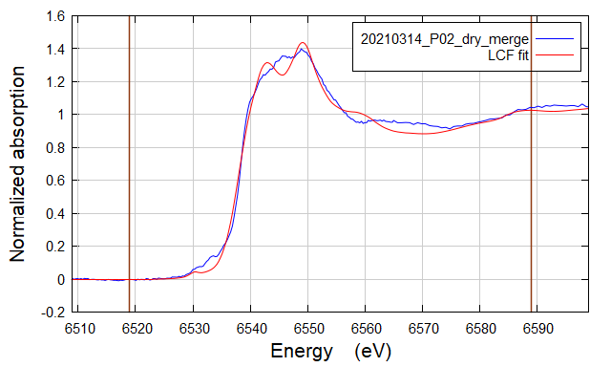
LCF fit of 20210314_P02_dry_merge as flattened mu(E) from 6519 to 6589

Fit included 188 data points and 2 variables, and approximately 57.866 measurements
Weights sum to 1: yes
Weights forced between 0 and 1: yes
Overall e0 shift used: no
Noise added to data: 0
R-factor = 0.0067086
Chi-square = 0.31136
Reduced chi-square = 0.0016650

. standard weight e0
========================================================
. Mn2-Rhodocrosite.dat.nor 0.138 (0.019) 0.000 (0.000)
. Mn32-Hausmannite.dat.nor 0.529 (0.009) 0.000 (0.000)
. mncl2_3.xmu 0.333 (0.021) 0.000 (0.000)

. sum ........... 1.000

P02_wet
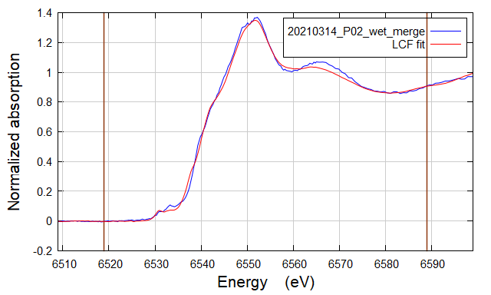
LCF fit of 20210314_P02_wet_merge as flattened mu(E) from 6519 to 6589

Fit included 188 data points and 2 variables, and approximately 57.866 measurements
Weights sum to 1: yes
Weights forced between 0 and 1: yes
Overall e0 shift used: no
Noise added to data: 0
R-factor = 0.0022286
Chi-square = 0.09716
Reduced chi-square = 0.0005196

. standard weight e0
========================================================
. BULK175_MnK_LP_Lithiophorite_DEC21_038_001.xdi.nor 0.675 (0.009) 0.000 (0.000)
. BULK175_MnK_LP_Franklinite_DEC21_040_001.xdi.nor 0.235 (0.014) 0.000 (0.000)
. BULK175_MnK_LP_Rhodo_DEC21_035_001.xdi.nor 0.090 (0.018) 0.000 (0.000)

. sum ........... 1.000

P10_dry
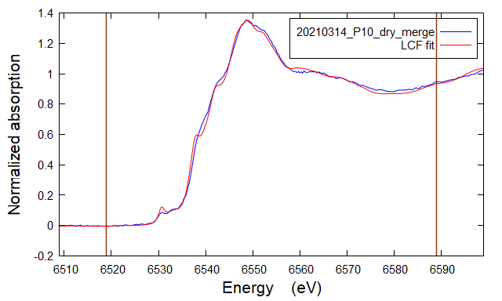
LCF fit of 20210314_P10_dry_merge as flattened mu(E) from 6519 to 6589

Fit included 188 data points and 2 variables, and approximately 57.866 measurements
Weights sum to 1: yes
Weights forced between 0 and 1: yes
Overall e0 shift used: no
Noise added to data: 0
R-factor = 0.0022345
Chi-square = 0.09490
Reduced chi-square = 0.0005075

. standard weight e0
========================================================
. BULK175_MnK_LP_Mn3oxalate_DEC21_030_001.xdi.nor 0.182 (0.028) 0.000 (0.000)
. BULK175_MnK_LP_Lithiophorite_DEC21_038_001.xdi.nor 0.145 (0.017) 0.000 (0.000)
. BULK175_MnK_LP_Franklinite_DEC21_040_001.xdi.nor 0.673 (0.012) 0.000 (0.000)

. sum ........... 1.000

P10_wet
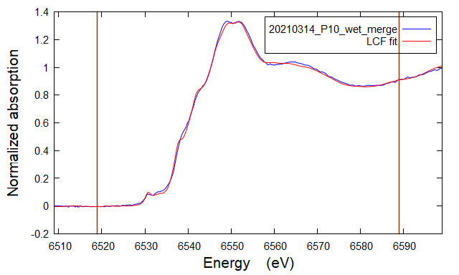
LCF fit of 20210314_P10_wet_merge as flattened mu(E) from 6519 to 6589

Fit included 188 data points and 2 variables, and approximately 57.866 measurements
Weights sum to 1: yes
Weights forced between 0 and 1: yes
Overall e0 shift used: no
Noise added to data: 0
R-factor = 0.0010043
Chi-square = 0.04270
Reduced chi-square = 0.0002283

. standard weight e0
========================================================
. BULK175_MnK_LP_Lithiophorite_DEC21_038_001.xdi.nor 0.482 (0.006) 0.000 (0.000)
. BULK175_MnK_LP_Franklinite_DEC21_040_001.xdi.nor 0.487 (0.009) 0.000 (0.000)
. BULK175_MnK_LP_Rhodo_DEC21_035_001.xdi.nor 0.031 (0.012) 0.000 (0.000)

. sum ........... 1.000

P23_dry
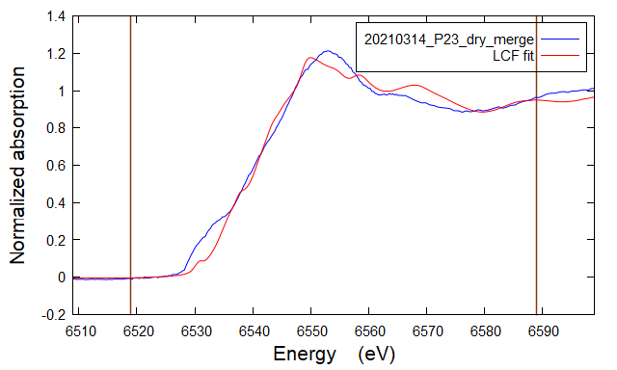
LCF fit of 20210314_P23_dry_merge as flattened mu(E) from 6519 to 6589

Fit included 188 data points and 2 variables, and approximately 57.866 measurements
Weights sum to 1: yes
Weights forced between 0 and 1: yes
Overall e0 shift used: no
Noise added to data: 0
R-factor = 0.0155188
Chi-square = 0.51393
Reduced chi-square = 0.0027483

. standard weight e0
========================================================
. BULK175_MnK_LP_Mn2oxide_DEC21_031_001.xdi.nor 0.333 (0.022) 0.000 (0.000)
. BULK175_MnK_LP_Franklinite_DEC21_040_001.xdi.nor 0.161 (0.029) 0.000 (0.000)
. BULK175_MnK_LP_Mn4oxide_DEC21_032_001.xdi.nor 0.506 (0.040) 0.000 (0.000)

. sum ........... 1.000

P23_wet
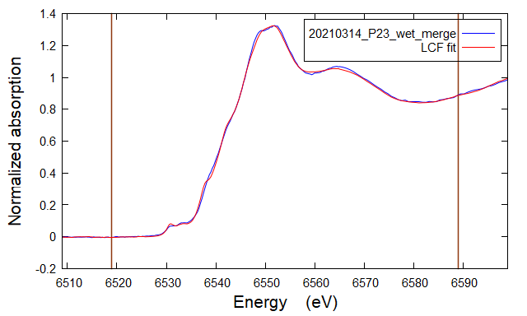
LCF fit of 20210314_P23_wet_merge as flattened mu(E) from 6519 to 6589

Fit included 188 data points and 2 variables, and approximately 57.866 measurements
Weights sum to 1: yes
Weights forced between 0 and 1: yes
Overall e0 shift used: no
Noise added to data: 0
R-factor = 0.0006054
Chi-square = 0.02593
Reduced chi-square = 0.0001387

. standard weight e0
========================================================
. BULK175_MnK_LP_Lithiophorite_DEC21_038_001.xdi.nor 0.485 (0.050) 0.000 (0.000)
. BULK175_MnK_LP_Franklinite_DEC21_040_001.xdi.nor 0.328 (0.004) 0.000 (0.000)
. BULK175_MnK_LP_Manganite_DEC21_039_001.xdi.nor 0.187 (0.074) 0.000 (0.000)

. sum ........... 1.000

P23 wet_redo
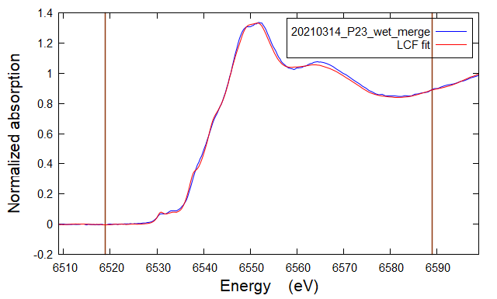
LCF fit of 20210314_P23_wet_merge as flattened mu(E) from 6519 to 6589 Fit included 188 data points and 2 variables, and approximately 57.866 measurements Weights sum to 1: yes Weights forced between 0 and 1: yes Overall e0 shift used: no Noise added to data: 0 R-factor = 0.0008824 Chi-square = 0.03836 Reduced chi-square = 0.0002051 . standard weight e0 ======================================================== . BULK175_MnK_LP_Franklinite_DEC21_040_001.xdi.nor 0.312 (0.009) 0.000 (0.000) . BULK175_MnK_LP_Lithiophorite_DEC21_038_001.xdi.nor 0.647 (0.006) 0.000 (0.000) . Mn32-Hausmannite.dat.nor 0.041 (0.016) 0.000 (0.000) . sum ........... 1.000

P32_dry

LCF fit of 20210314_P32_dry_merge as flattened mu(E) from 6519 to 6589

Fit included 196 data points and 2 variables, and approximately 57.866 measurements
Weights sum to 1: yes
Weights forced between 0 and 1: yes
Overall e0 shift used: no
Noise added to data: 0
R-factor = 0.0015341
Chi-square = 0.06717
Reduced chi-square = 0.0003427

. standard weight e0
========================================================
. BULK175_MnK_LP_Mn3oxalate_DEC21_030_001.xdi.nor 0.220 (0.028) 0.000 (0.000)
. BULK175_MnK_LP_Franklinite_DEC21_040_001.xdi.nor 0.458 (0.011) 0.000 (0.000)
. BULK175_MnK_LP_Manganite_DEC21_039_001.xdi.nor 0.322 (0.015) 0.000 (0.000)

. sum ........... 1.000

P32 dry_redo

LCF fit of 20210314_P32_dry_merge as flattened mu(E) from 6519 to 6589 Fit included 196 data points and 2 variables, and approximately 57.866 measurements Weights sum to 1: yes Weights forced between 0 and 1: yes Overall e0 shift used: no Noise added to data: 0 R-factor = 0.0013004 Chi-square = 0.05690 Reduced chi-square = 0.0002903 . standard weight e0 ======================================================== . BULK175_MnK_LP_Franklinite_DEC21_040_001.xdi.nor 0.443 (0.009) 0.000 (0.000) . BULK175_MnK_LP_Lithiophorite_DEC21_038_001.xdi.nor 0.305 (0.013) 0.000 (0.000) . BULK175_MnK_LP_Mn3oxalate_DEC21_030_001.xdi.nor 0.252 (0.025) 0.000 (0.000) . sum ........... 1.000

P32_wet
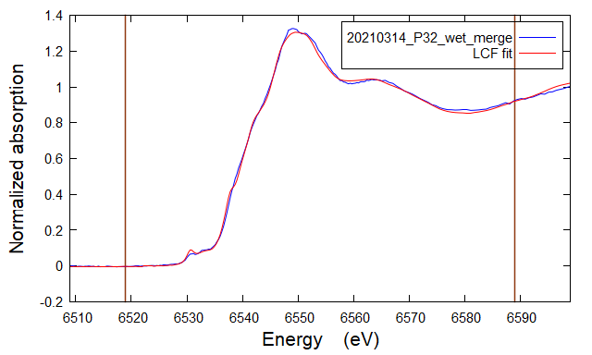
LCF fit of 20210314_P32_wet_merge as flattened mu(E) from 6519 to 6589

Fit included 188 data points and 2 variables, and approximately 57.866 measurements
Weights sum to 1: yes
Weights forced between 0 and 1: yes
Overall e0 shift used: no
Noise added to data: 0
R-factor = 0.0008322
Chi-square = 0.03537
Reduced chi-square = 0.0001892

. standard weight e0
========================================================
. Mn3-Manganite.dat.nor 0.409 (0.032) 0.000 (0.000)
. BULK175_MnK_LP_Franklinite_DEC21_040_001.xdi.nor 0.416 (0.008) 0.000 (0.000)
. BULK175_MnK_LP_Manganite_DEC21_039_001.xdi.nor 0.176 (0.016) 0.000 (0.000)

. sum ........... 1.000

P32 wet_redo

LCF fit of 20210314_P32_wet_merge as flattened mu(E) from 6519 to 6589 Fit included 188 data points and 2 variables, and approximately 57.866 measurements Weights sum to 1: yes Weights forced between 0 and 1: yes Overall e0 shift used: no Noise added to data: 0 R-factor = 0.0017058 Chi-square = 0.07362 Reduced chi-square = 0.0003937 . standard weight e0 ======================================================== . BULK175_MnK_LP_Franklinite_DEC21_040_001.xdi.nor 0.460 (0.011) 0.000 (0.000) . BULK175_MnK_LP_Lithiophorite_DEC21_038_001.xdi.nor 0.296 (0.015) 0.000 (0.000) . BULK175_MnK_LP_Mn3oxalate_DEC21_030_001.xdi.nor 0.243 (0.029) 0.000 (0.000) . sum ........... 1.000

P44_dry

LCF fit of 20210314_P44_dry_merge as flattened mu(E) from 6519 to 6589

Fit included 188 data points and 2 variables, and approximately 57.866 measurements
Weights sum to 1: yes
Weights forced between 0 and 1: yes
Overall e0 shift used: no
Noise added to data: 0
R-factor = 0.0007979
Chi-square = 0.03409
Reduced chi-square = 0.0001823

. standard weight e0
========================================================
. BULK175_MnK_LP_Mn3oxalate_DEC21_030_001.xdi.nor 0.236 (0.020) 0.000 (0.000)
. BULK175_MnK_LP_Lithiophorite_DEC21_038_001.xdi.nor 0.416 (0.010) 0.000 (0.000)
. BULK175_MnK_LP_Franklinite_DEC21_040_001.xdi.nor 0.348 (0.007) 0.000 (0.000)

. sum ........... 1.000

P44_wet
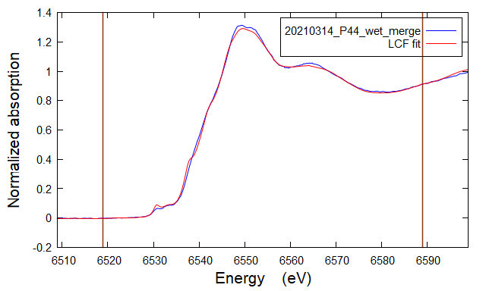
LCF fit of 20210314_P44_wet_merge as flattened mu(E) from 6519 to 6589

Fit included 188 data points and 2 variables, and approximately 57.866 measurements
Weights sum to 1: yes
Weights forced between 0 and 1: yes
Overall e0 shift used: no
Noise added to data: 0
R-factor = 0.0010608
Chi-square = 0.04526
Reduced chi-square = 0.0002420

. standard weight e0
========================================================
. BULK175_MnK_LP_Mn3oxalate_DEC21_030_001.xdi.nor 0.189 (0.024) 0.000 (0.000)
. BULK175_MnK_LP_Franklinite_DEC21_040_001.xdi.nor 0.384 (0.009) 0.000 (0.000)
. BULK175_MnK_LP_Manganite_DEC21_039_001.xdi.nor 0.426 (0.013) 0.000 (0.000)

. sum ........... 1.000

P44 wet_redo

LCF fit of 20210314_P44_wet_merge as flattened mu(E) from 6519 to 6589 Fit included 188 data points and 2 variables, and approximately 57.866 measurements Weights sum to 1: yes Weights forced between 0 and 1: yes Overall e0 shift used: no Noise added to data: 0 R-factor = 0.0012281 Chi-square = 0.05319 Reduced chi-square = 0.0002845 . standard weight e0 ======================================================== . BULK175_MnK_LP_Franklinite_DEC21_040_001.xdi.nor 0.379 (0.009) 0.000 (0.000) . BULK175_MnK_LP_Lithiophorite_DEC21_038_001.xdi.nor 0.391 (0.013) 0.000 (0.000) . BULK175_MnK_LP_Mn3oxalate_DEC21_030_001.xdi.nor 0.230 (0.024) 0.000 (0.000) . sum ........... 1.000

